Task 1
Center for Digital Transformation
TUM School of Management
Technical University of Munich
1 | A campus cafe records the number espresso ordered in an hour. The exact arrival times can be ignored and only the total number of espresso orders matters. Let D denote hourly demand following a Poisson distribution with λ=4. Use 2.718 for an approximate value of Euler's number. a. Is D discrete or continuous? Define the sample space Ω. b. What is the expected value of demand? Calculate the probability that no student orders an espresso during one hour. c. One hour before closing, the cafe can still serve at most 2 cups of espresso. What is the service level for the final one hour?

 | a. | Sample space | Ω
 | b. | Expected demand
 |  | Realized demand
 |  | Probability
 | c. | Stock | Q
 |  | Service level | SL

Task 2
Center for Digital Transformation
TUM School of Management
Technical University of Munich
2 | A fashion brand launches a limited-edition T-shirt for one day. Let the demand of this bag D is uniformly distributed between 150 and 450 units. The T-shirt is priced at €50 and total costs of production is €30 per unit. The unsold units in the market will be sold internally to employees at a 60% discount from the regular price. Assume that all unsold units can be sold this way. a. What is the expected value of demand? Calculate the probability that the demand is 200. b. Calculate 1-F(420). c. What is the optimal service level and optimal production quantity?

 | a. | Expected demand
 |  | Probability | P(D=200)
 | b.
$$c_{u}$$
 | c. | Underage cost
 |  | Salvage value | s
$$c_{o}$$
 |  | Overage cost
 |  | Optimal service level | SL
 |  | Optimal production quantity | Q

Task 3
Center for Digital Transformation
TUM School of Management
Technical University of Munich
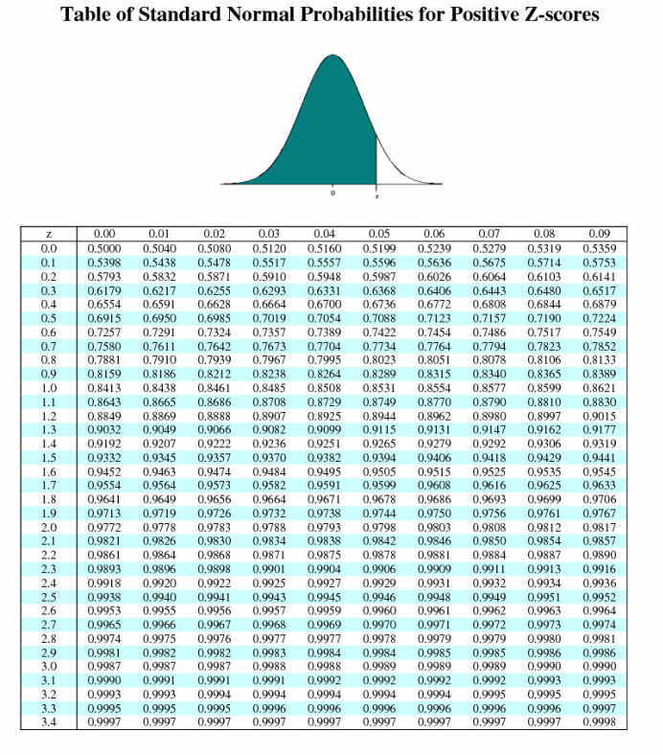
3 | A pharmacy estimates that daily demand for Vitamin C can be approximated by a normal distribution with mean 320 packs and standard deviation 45 packs. a. What is the probability of demand being at most 350. b. Let's denote the mean and standard deviation of Vitamin C demand μ and σ, respectively. What is the approximate probability that demand will lie in the interval of [μ − 0.23σ, μ + 0.23σ]?

 | a. | z-score
 |  | Probability | P(D<=350)
 | b.

Task 4
Center for Digital Transformation
TUM School of Management
Technical University of Munich
4 | A furniture shop expects the demand for its one designer item to follow a Poisson distribution with an expected value of 200 units per month. The shop faces overage costs of 3€ and underage costs of 5€ per unit if the item is not available. a. What is the optimal service level that the company should maintain? b. Can the demand be approximated with normal distribution? Explain why. c. With the approximation of normal distribution, what is the optimal order quantity.

 | a. | Overage cost | CO
 |  | Underage cost | CU
 |  | Optimal Service Level | SL
 | b. | Approximated mean
 |  | Approximated standard deviation
 | c. | z-score
 |  | Optimal quantity | Q

